Sensor SS
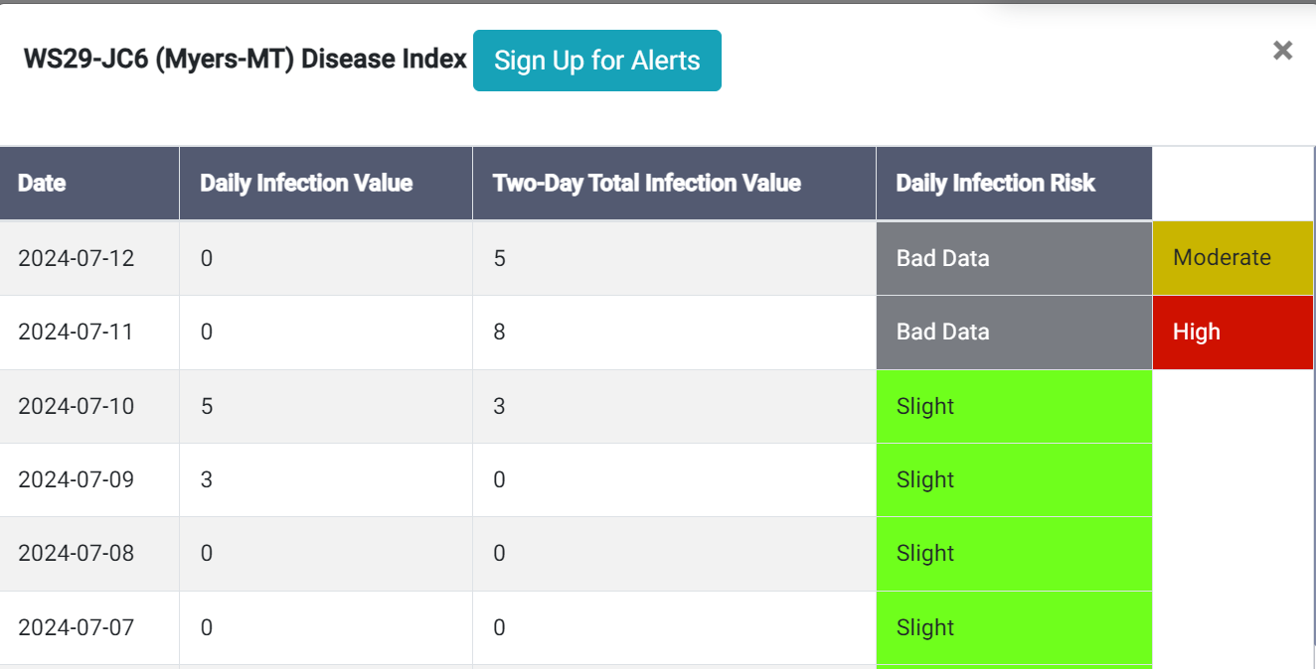

Signal Drops around 3am

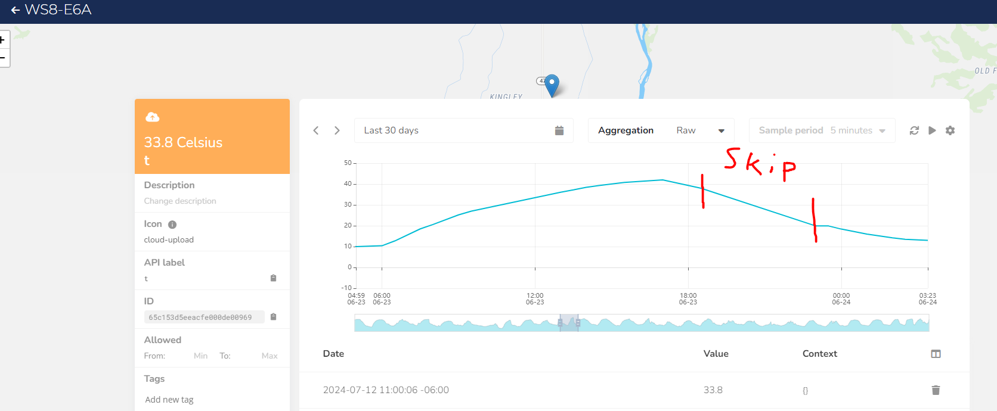

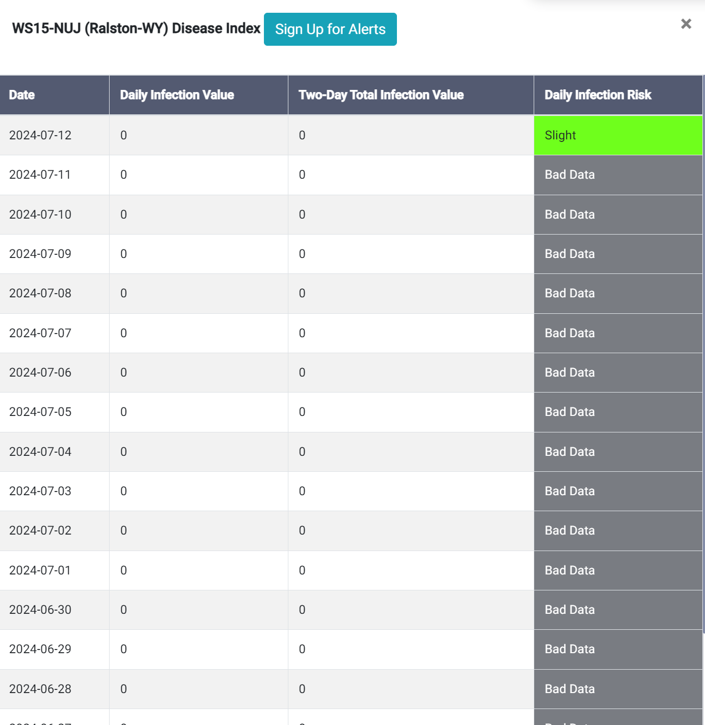

WS8-E68 was reading "slight" on 6/22 and has been until 7/12, but we found a few gaps in the data longer than 1hr; Shouldn't this cause a "bad"/"missing" data reading?

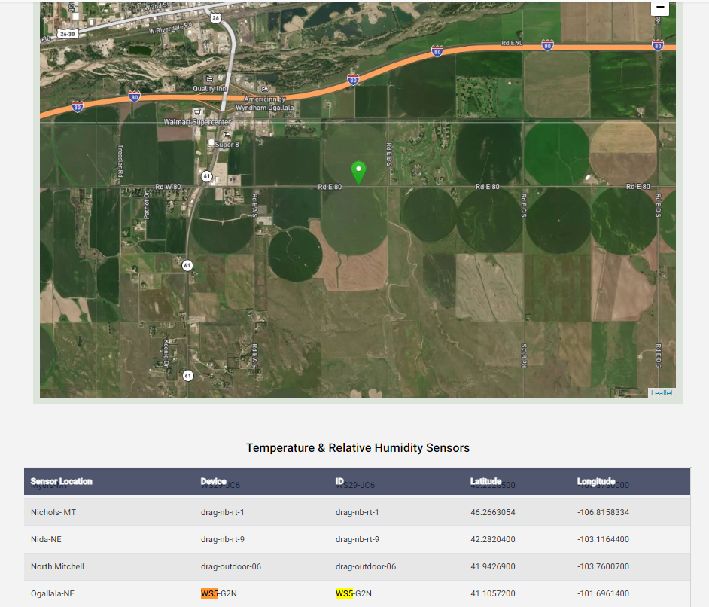
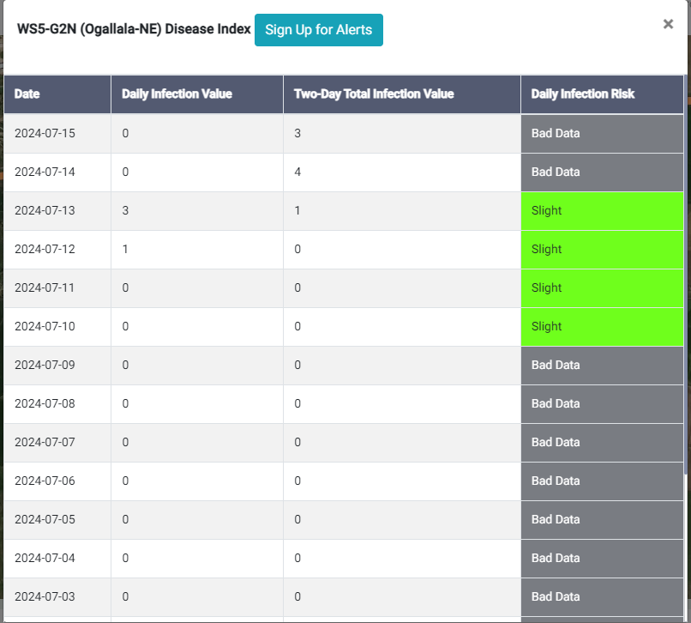

WS5 showing up as green on dashboard but shows "bad data" for last two days (note on 7/15)

